AISC 15th Ed. Part 9 HSS
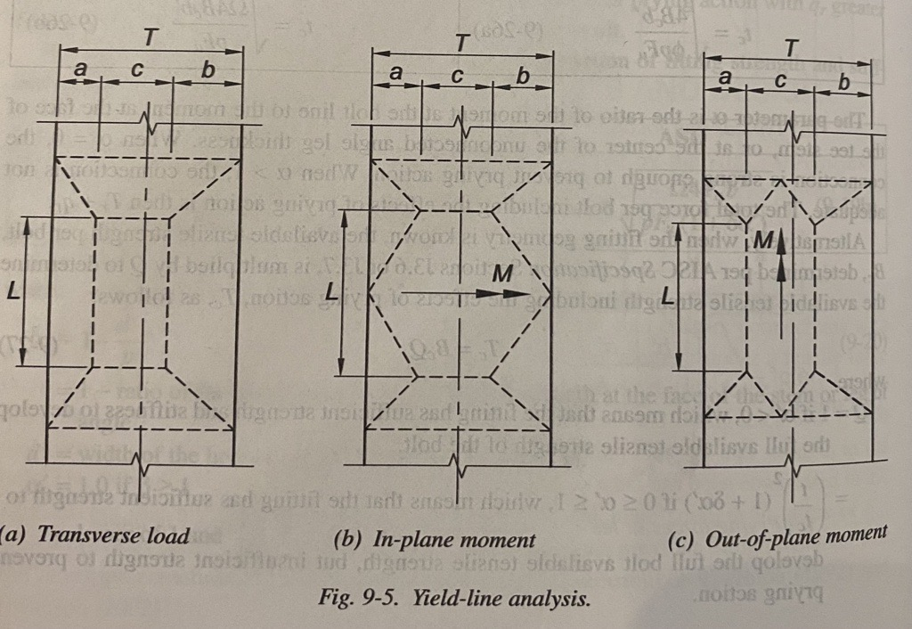

Out-of-Plane Transverse Load (Clamped for HSS) |  |  | In-Plane Moments (Clamped for HSS) |  |  | Out-of-Plane Moments (Clamped for HSS)
Shape | HSS8X8X1/2 |  | Shape | HSS8X8X1/2 |  | Shape | HSS8X8X1/2
Fy | 46 | ksi | Fy | 46 | ksi | Fy | 46 | ksi
Loaded Face | long |  | Loaded Face | long |  | Loaded Face | long
Loaded Direction | T |  | Loaded Direction | T |  | Loaded Direction | T
load app distance |  |  | c | 2.43 | in | c | 4 | in
c | 0.5 | in | L | 9 | in | a | 1.3 | in
a | 3.05 | in | B | 8 | in | b | 1.3 | in
b | 3.05 | in | H | 8 | in | L | 6 | in
L | 18 | in | t | 0.465 | in | rho | 13.78
B | 8 | in | Flat (T) | 6.6 | in | B | 8 | in
H | 8 | in | Ag | 13.500 | in^2 | H | 8 | in
Flat (T) | 6.6 | in | S | 31.200 | in^3 | t | 0.465 | in
t | 0.465 | in | Pro | 0.000 | kips | Flat (T) | 6.6 | in
b/t | 14.19 |  | Mro | 0.000 | kip-in | Ag | 13.500 | in^2
Ag | 13.500 | in^2 | Fc | 46 | ksi | S | 31.200 | in^3
S | 31.200 | in^3 | U | 0.000 |  | Pro | 0.000 | kips
Pro | 0.000 | kips | Qf | 1.000 |  | Mro | 0.000 | kip-in
Mro | 0.000 | kip-in | Mn | 451.26 | kip-in | Fc | 46 | ksi
Fc | 46 | ksi | φMn | 451.27 | kip-in | U | 0.000
U | 0.000 |  |  |  |  | Qf | 1.000
Qf | 1.000 |  |  |  |  | Mn | 267.58 | kip-in
Rn | 466.79 | kips |  |  |  | φMn | 267.59 | kip-in
φRn | 466.79 | kips

Punching Shear (HSS)
connecting shape | HSS4X4X1/4
Face | short
Fy | 46 | ksi
Fyb | 46 | ksi
t | 0.465 | in
tb | 0.233 | in
B | 8 | in
Bb | 4 | in
Be | 4 | in
c_eff | 4 | in
tp | 0.5 | in
L | 18 | in
Rn | 607.2 | kips
φRn | 607.2 | kips

